Sheet1
 |  | Agile Report

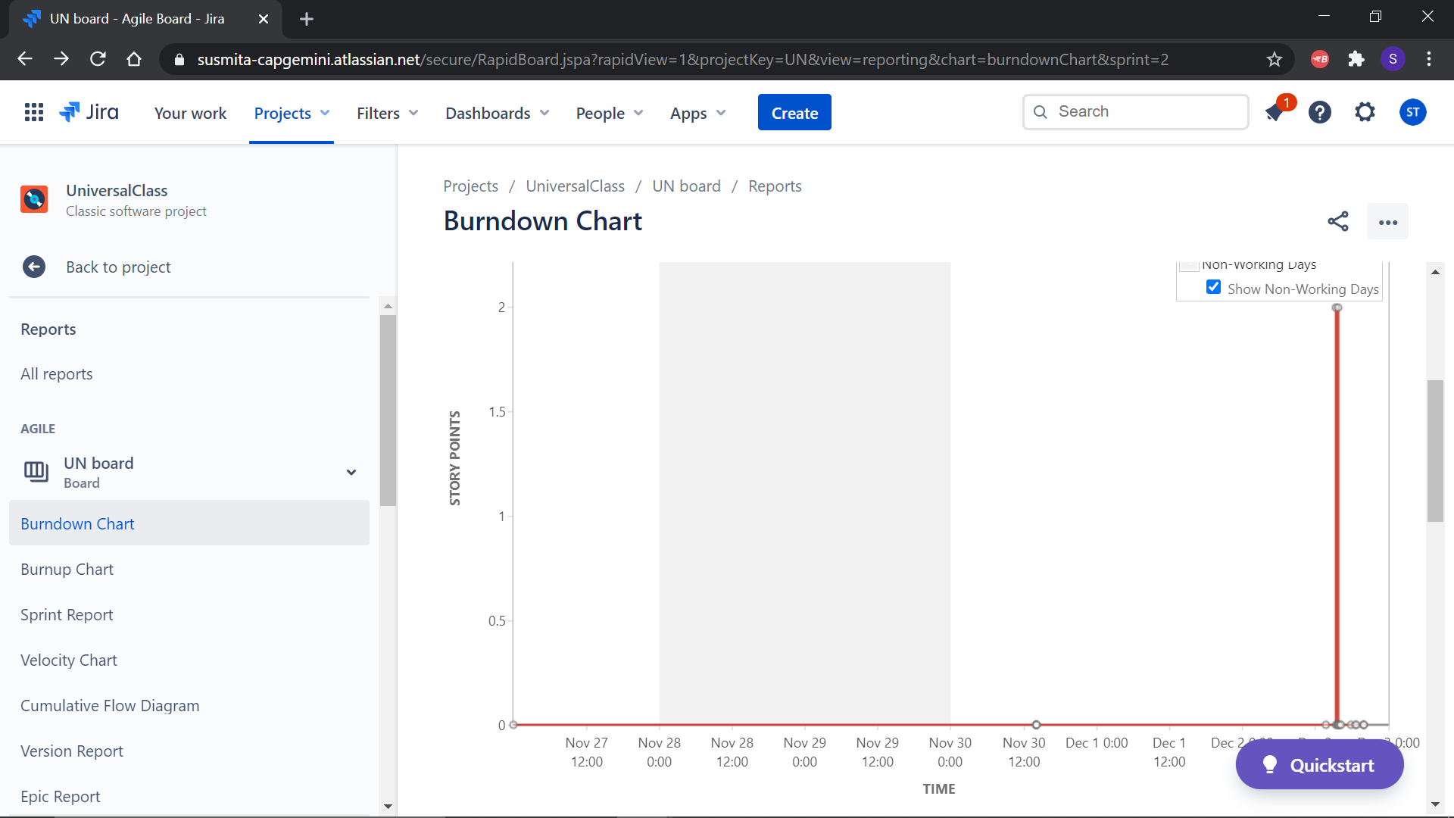
1 | Burndown Chart

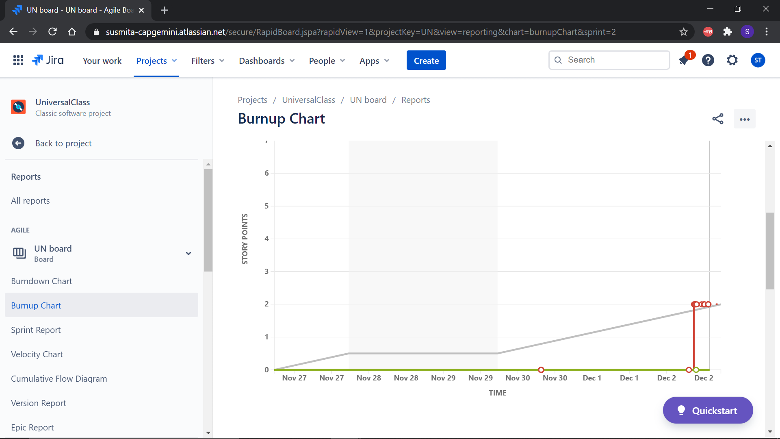
2 | Burnup chart

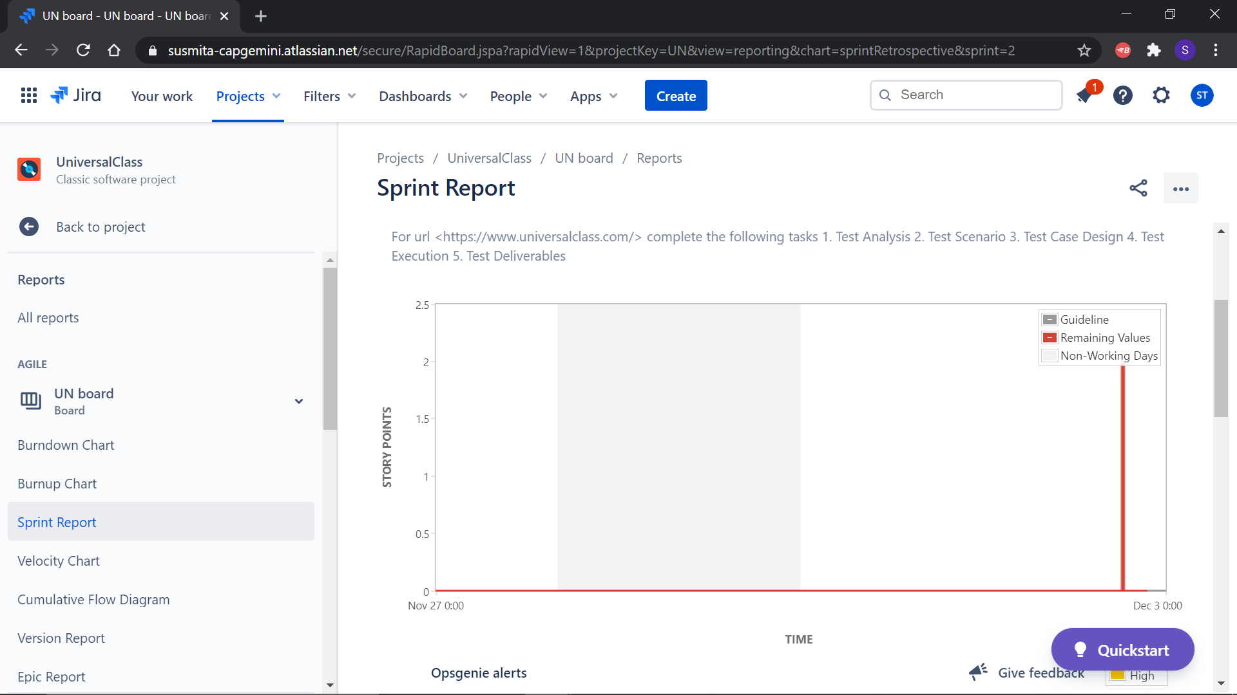
3 | Sprint Report

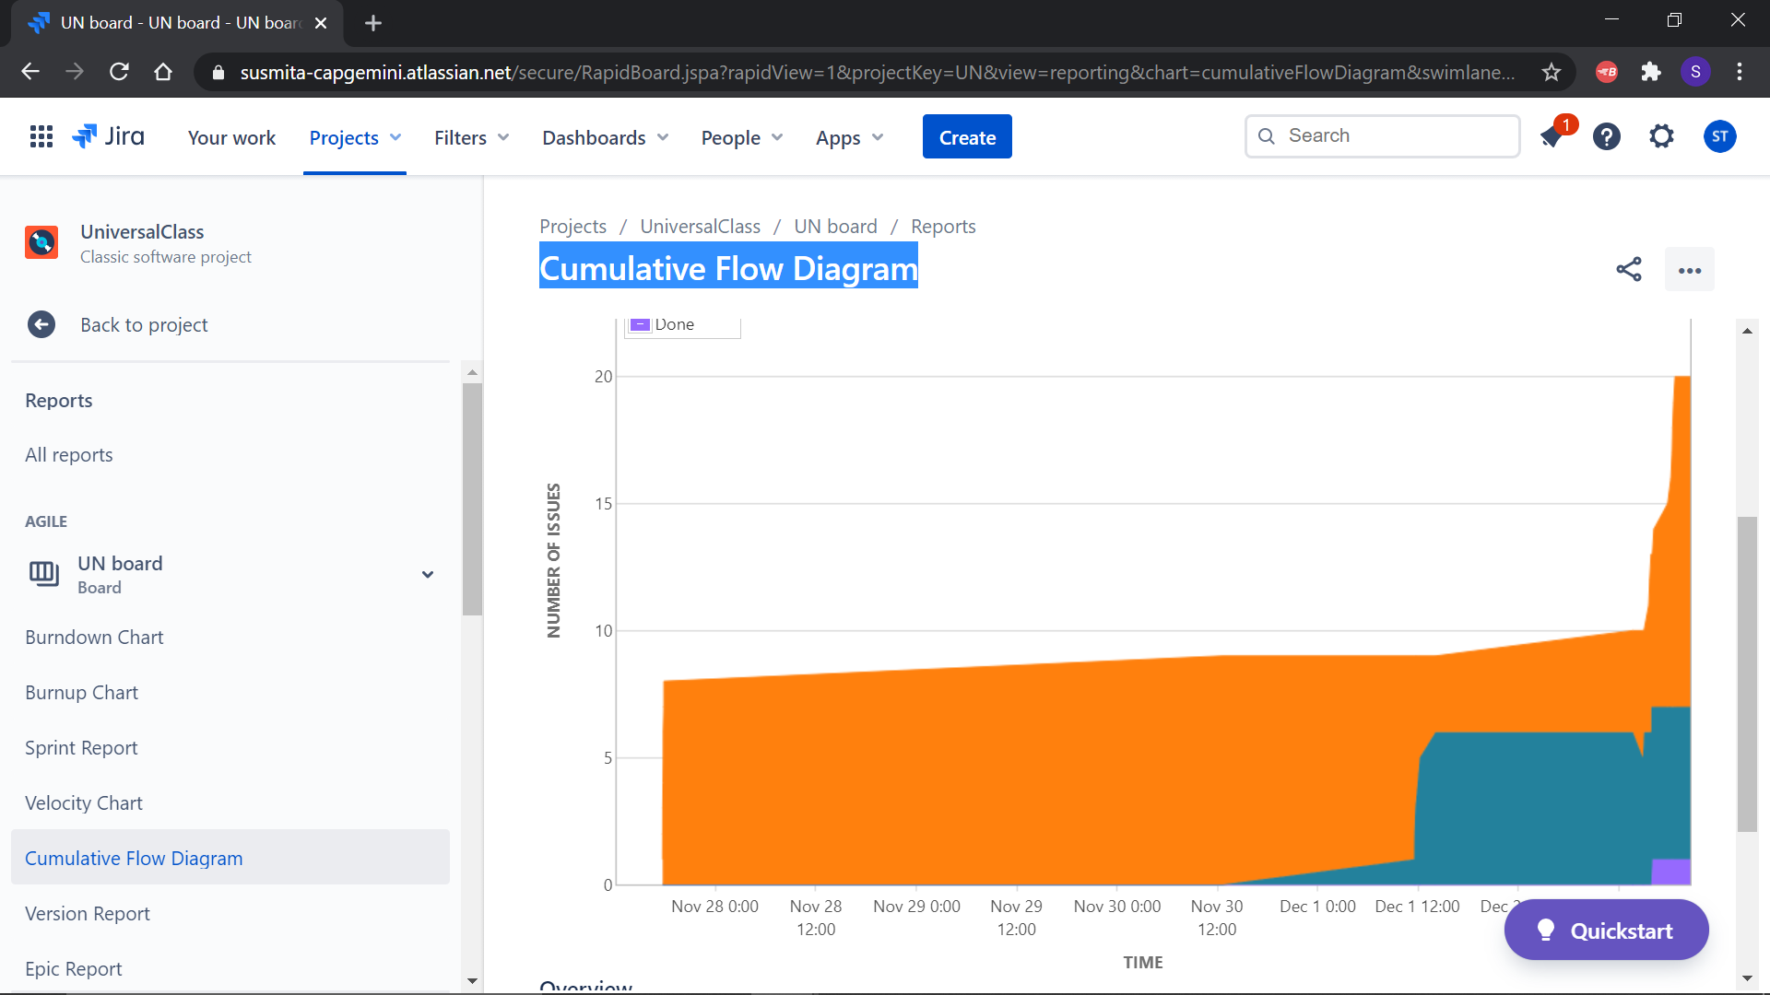
4 | Cumulative Flow
 | Diagram

